Classifier
$$Softmax=\frac{e^{z_{i}}}{∑e^{z_{i}}}$$

$$w_{11}^{2}$$
 |  |  |  |  |  |  |  |  |  | wo | 1
 |  |  |  |  |  |  |  |  |  |  | 11
 |  |  |  |  |  |  |  |  |  | 1 | 1E+00
$$w_{11}^{3}$$
 |  |  |  | Option1 |  | Option2 |  |  |  |  |  | wo | 2
Income | Status | Status_Paid | Status_Late | P(Paid) | P(Late) |  |  |  |  |  |  |  | 4E+00 | z_1
$$w_{12}^{3}$$
10 | Paid | 1 | 0 | 0.81757447619 | 0.18242552381 | 0.6224593312 | 0.3775406688 |  |  |  |  | 1 | 54.60 | e(zi) | 0.81757447619
30 | Paid | 1 | 0 |  |  |  |  |  |  |  |  |  | 0.81757447619 | e(z_1)/((e(z_1)+e(z_2))
18 | Late Payment | 0 | 1 |  |  |  |  |  |  |  |  | 1
3 | Late Payment | 0 | 1 |  |  |  |  |  | 10
12 | Paid | 1 | 0
9 | Late Payment | 0 | 1

$$w_{21}^{3}$$
 |  |  |  | sum(CE_1) | CE_2 |  |  |  |  |  |  | wo | 0.5
 |  |  |  | 0.08747267521 | 0.20588901823
 |  |  |  |  |  |  |  |  |  |  |  | 1
$$w_{22}^{3}$$
 | ACTUAL |  |  |  |  |  |  |  |  | wo | 1 |  | 2E+00 | z_2
$$w_{21}^{2}$$
 | Status | Status_Paid | Status_Late | Status_DNP | Prob_paid | Prob_late | Prob_dnp | CE |  |  | 11 | 1 | 12.18 | e(z_2)
 | Paid | 1 | 0 | 0 | 0.9 | 0.1 | 0.1 | 0.045757490561 |  | 1 | 1.00 |  | 0.18242552381 | e(z_2)/((e(z_1)+e(z_2))
 | Paid | 1 | 0 | 0 | 0.2 | 0.3 | 0.5 | 0.69897000434
 | Late Payment | 0 | 1 | 0 | 0.3 | 0.5 | 0.2 | 0.30102999566
 | Late Payment
 | Paid
 | Late Payment
 | Dnp

 |  |  |  |  |  |  |  | log(p)
 |  |  |  |  |  |  |  | 0<p<1 | infinity to zero

RNN
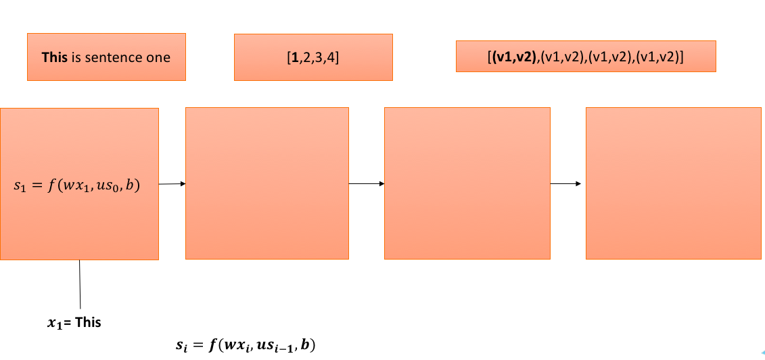
 | Word Vector |  |  | W |  |  | U |  | b
This | 4 | 9 |  | 1 | 1 |  | 2 | 2 | 3 | 3
Is | 2 | 5 |  | 1 | 1 |  | 2 | 2
$$f=tanh⁡$$
sentence | 6 | 7
one | 3 | 2

s0
0 | 0

Step 1

 | Word Vector |  |  | W |  |  | U |  | b
This | 4 | 9 |  | 1 | 1 |  | 2 | 2 | 3 | 3
Is | 2 | 5 |  | 1 | 1 |  | 2 | 2
sentence | 6 | 7
one | 3 | 2

s0 |  |  | wx | 13 | 13 | us0 | 0 | 0
0 | 0

 |  | wx+us0+b | 16 | 16

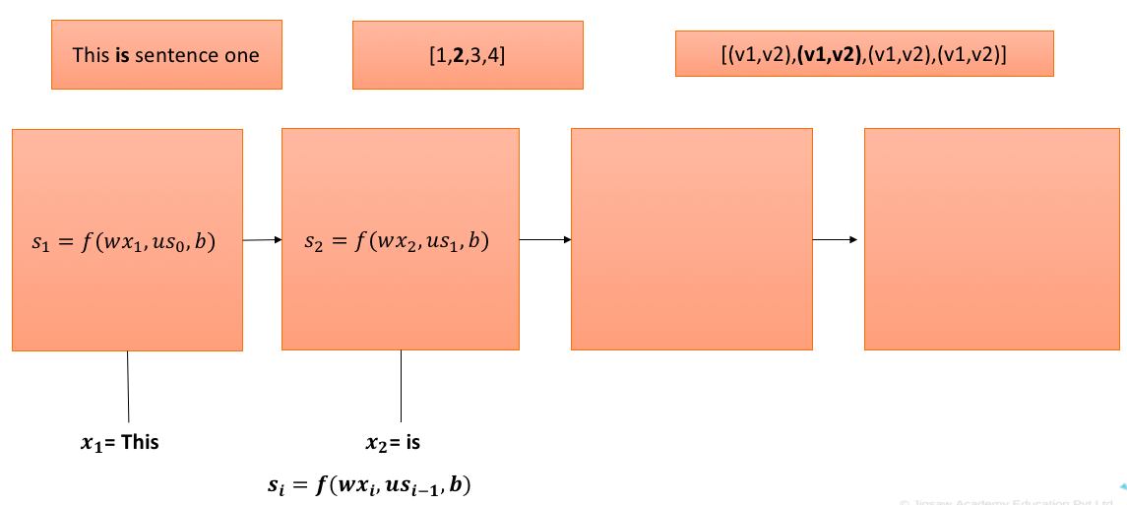
 |  | s1 | 1 | 1

Step 2

 | Word Vector |  |  | W |  |  | U |  | b
This | 4 | 9 |  | 1 | 1 |  | 2 | 2 | 3 | 3
Is | 2 | 5 |  | 1 | 1 |  | 2 | 2
sentence | 6 | 7
one | 3 | 2

s1 |  |  | wx | 7 | 7 | us1 | 4 | 4
1 | 1

 |  | wx+us1+b | 14 | 14

 |  | s2 | 1 | 1

Step 3

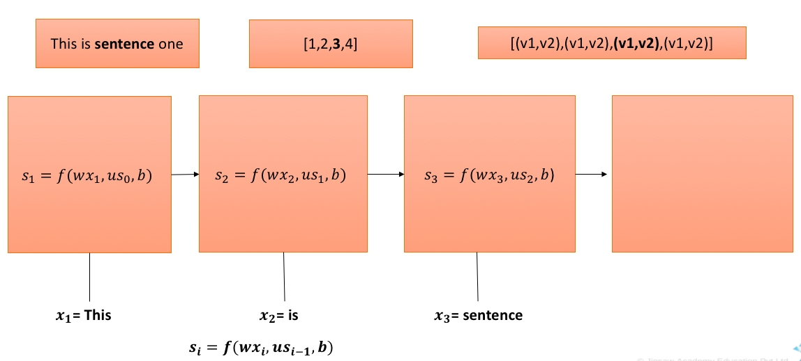
 | Word Vector |  |  | W |  |  | U |  | b
This | 4 | 9 |  | 1 | 1 |  | 2 | 2 | 3 | 3
Is | 2 | 5 |  | 1 | 1 |  | 2 | 2
sentence | 6 | 7
one | 3 | 2

s2 |  |  | wx | 13 | 13 | us2 | 4 | 4
1 | 1

 |  | wx+us2+b | 20 | 20

 |  | s3 | 1 | 1

Step 4

 | Word Vector |  |  | W |  |  | U |  | b
This | 4 | 9 |  | 1 | 1 |  | 2 | 2 | 3 | 3
Is | 2 | 5 |  | 1 | 1 |  | 2 | 2
sentence | 6 | 7
one | 3 | 2

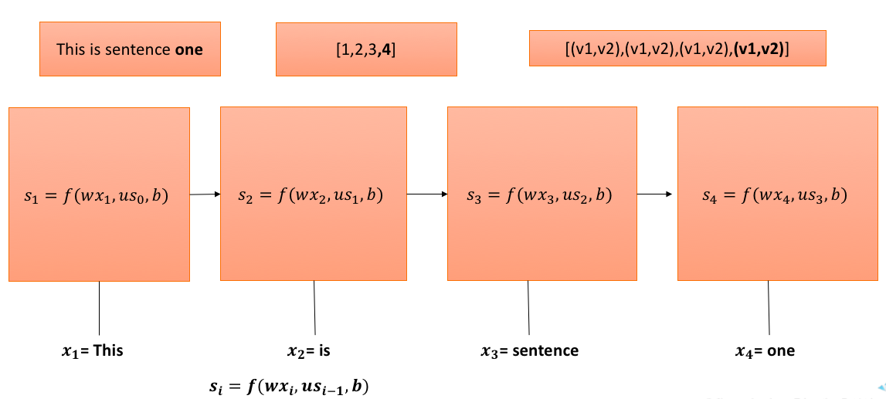
s3 |  |  | wx | 5 | 5 | us3 | 4 | 4
1 | 1

 |  | wx+us3+b | 12 | 12

 |  | s4 | 1 | 1

Regression
$$w_{11}^{2}$$
Age | Income | Expenses | Predicted Expenses | Error^2
30 | 90 | 25 | 1674.83 | 2721945.20 |  |  |  |  | w0 | 5.00
40 | 56 | 19 | .. | ..
60 | 30 | 15 |  |  |  |  |  |  | 2.00 | 369.8 | Z
$$a_{1}^{2}=1$$
70 | 32 | 10 |  |  |  |  |  |  |  | 1 | f(z)
$$w_{12}^{2}$$
… |  |  |  | RSS
$$RSS=e_{1}^{2}+e_{2}^{2}+…+e_{n}^{2}$$
 |  |  |  |  |  | 30 |  |  | 3.39
 |  |  |  |  |  |  |  |  |  |  |  | w0 | 2.00
$$w_{11}^{3}$$
$$w_{12}^{3}$$
 |  |  |  |  |  |  |  |  |  |  |  | 4.51 | 1674.831871 | Z
 |  |  |  |  |  |  |  |  |  |  |  |  | 1674.831871 | f(z)=z

 |  |  |  |  |  | 90 |  |  | w0 | 0.66 |  | 6.48
$$w_{21}^{2}$$
$$a_{2}^{2}=1$$
$$w_{22}^{2}$$
 |  |  |  |  |  |  |  |  | 0.55
 |  |  |  |  |  |  |  | 0.42 |  | 54.52 | Z
 |  |  |  |  |  |  |  |  |  | 1 | f(z)

 |  |  |  |  |  | Values |  |  |  | error = f(weight terms)
 |  |  |  |  | w01 | 5 | 5
 |  |  |  |  | w11 | 2 | 2
 |  |  |  |  | w12 | 3.39 | 3.39
 |  |  |  |  | w21 | 0.55 | 0.55
 |  |  |  |  | w22 | 0.42 | 0.42
 |  |  |  |  | w02 | 0.66 | 0.66
 |  |  |  |  | w03 | 2 | 2
 |  |  |  |  | w11 | 4.51 | 4
 |  |  |  |  | w12 | 6.48 | 6.48
 |  |  |  | Error |  | 800 | 750

